Sheet1
 |  | Document No. | Issue No. | Issue Date |  | Review and Replace Date |  | Authorised By
 |  | GFF006MC | 2 | 28.07.2022 |  | 02.06.2025
 |  | Document Title | GC- 50 Lamb Samosa | 2000G- High Risk
 |  |  |  |  |  |  |  | Magda Shah
Document amendments reason for change |  | Blue bag supplier Changed | Page 1 of 1 |  | Previous Issue Date |  | 28.07.2022 | Uncontrolled copy unless signed original

PACK DAY + 1 YEAR
NON-MAP PACK
FLSAC-B50B | Gazebo (BULK-SNACKS) |  | GC- 50 Lamb Samosa(40g) | 2000G
STEP 1 |  |  |  |  | STEP 2
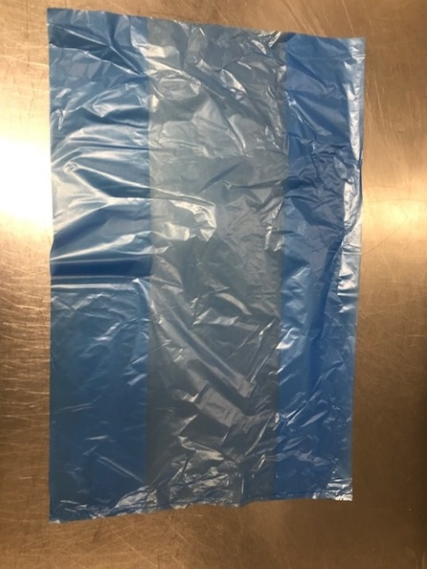 |  |  |  |  | 

Blue Bag: 13 X20 X20 BLUE TINT BAGS -PKPMC001-02 |  |  |  |  | Lamb Samosa 40g(GFF005R): 50 Pieces (2000g)

STEP 3
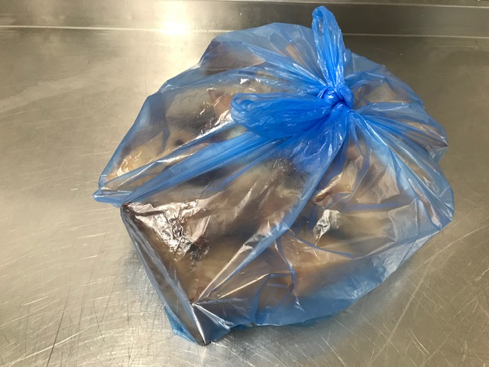

TOTAL WEIGHT: 2000g

ALLERGY ALERT: Wheat, Soya

